Stock structure designations
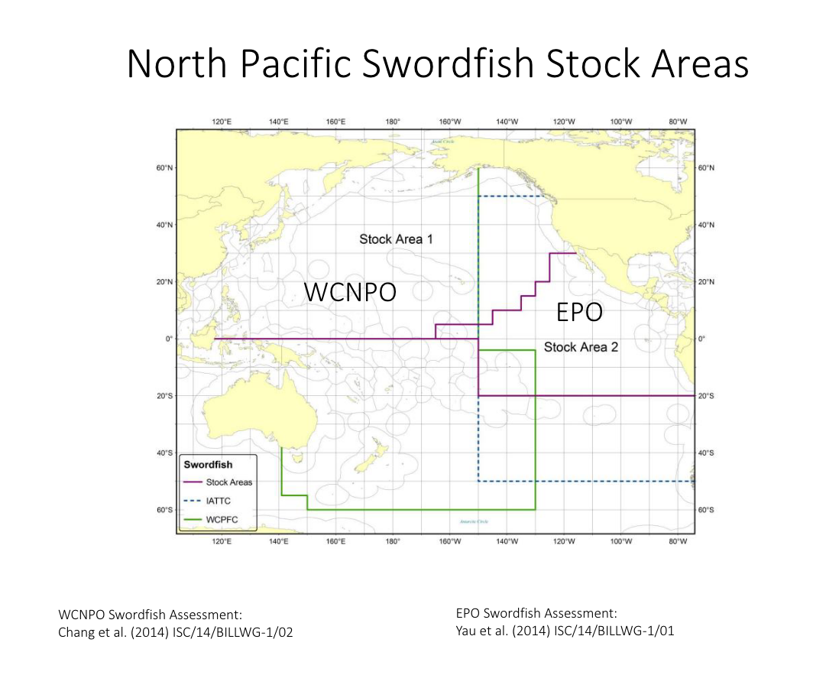
Swordfish |  |  |  | Striped marlin |  |  |  |  | Blue marlin |  |  |  | Black marlin | Sailfish |  |  |  | Shortbilled spearfish
As per SC16-MI-IP-22 - there are currently considered to be eight swordfish stocks globally that are managed by different Regional Fisheries Management Organisations (RFMOs), including: •WCPFC – North Pacific stock •WCPFC – South-western Pacific stock •IATTC – North-eastern Pacific •IATTC – South-eastern Pacific stock •ICCAT – Mediterranean Sea stock •ICCAT – North Atlantic stock •ICCAT – South Atlantic stock •IOTC – Indian Ocean Stock |  |  |  | Striped Marlin are seperated into three stocks in the Pacific. In the West there are a northern and southern stocks, while the stock to the East is considered a separate stock. |  |  |  |  | Assumed to be a PO stock Williams et al. 2020 failed to reject the single Pacific stock hypothesis. |  |  |  | Evidence suggests there may be three different breeding populations in the southwestern Pacific Ocean, eastern Indian Ocean and South China Sea. No assessment for BLM in the Pacific - so hard to weed out what the managment consensus is regarding their stock structure in the Pacific. The major conventional tagging effort for black marlin has occurred off the Great Barrier Reef and results have shown that the species is capable of great dispersal: trans-equatorial, trans-oceanic, and inter-oceanic movements (from the Pacific to the Indian Ocean) have been documented. High genetic heterogeneity across 6 indopacific sites - needs attention. Assumed to be a PO stock. | The stock structure of sailfish is relatively well known in the Pacific. In comparison to the other billfish species, sailfish are found in highest abundance in waters relatively near the continents and the Indo- Pacific land masses bordering the Pacific Ocean (Howard and Ueyanagi 1965) and only infrequently in the high seas separating them. This separation led Kume and Joseph (1969) to suggest that, regardless of the genetic signatures in the population centers, the regions of abundance in the EPO and in the western Pacific should be managed separately. Subsequent genetic analyses (McDowell 2002) found that the apparent population centers in the Pacific Ocean are centers of genetically differentiated stocks that result from their separation by distance. McDowell confirmed that the sailfish in the EPO were of a single genetic stock separated from the sailfish stock(s) of the Indo-west Pacific. It is therefore considered that examinations of local depletions and assessments of the sailfish of the EPO are appropriate without including model parameters for transboundary movements of individuals. Assumed to be a IWPO and EPO stocks in the Pacific. |  |  |  | Not a lot of evidence on stock structure. Assumed to be a PO stock

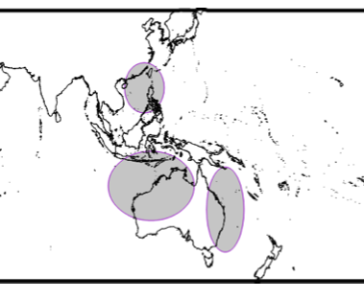
 | Stock | Code | Latest assessment |  | Stock | Code | Latest assessment (benchmark) | Upcoming |  | Stock | Code | Latest assessment (benchmark) |  |  | Stock | Code | Latest assessment (benchmark)
 | WCPFC – North Pacific stock | NPO | WCPFC-SC14-2018/ SA-WP-07 |  | WCPFC - North Pacific stock | NPO | WCPFC-SC15-2019/SA-WP-09 | WCPFC-SC18-2022/SA-WP-07 (Rev.01) |  | Pacific Ocean | PO | WCPFC-SC12-2016/ SA WP-12 |  |  | Eastern Pacific | EPO | DOCUMENT SAC-04-07c
 | WCPFC – South-western Pacific stock | SWPO | WCPFC-SC17-2021/SA-WP-04 |  | WCPFC - South Pacific stock | SPO | WCPFC-SC15-2019/SA-WP-07 |  |  |  |  |  |  |  | Indo-West Pacific | IWPO
 | IATTC – North-eastern Pacific stock | NEPO | WCPFC-SC10-2014/ SA-WP-13 |  | ICCAT - Eastern Pacific stock | EPO | Hinton et al. 2010. Assessment of striped marlin in the eastern Pacific Ocean in 2008…
 | IATTC – South-eastern Pacific stock | SEPO | IATTC-100 INF-B – Benchmark assessment for swordfish in the south EPO in 2019
 | ICCAT – Mediterranean Sea stock | MS
 | ICCAT – North Atlantic stock | NAO
 | ICCAT – South Atlantic stock | SAO |  |  |  |  |  |  | Williams et al. 2020 - Abstract: "We evaluated the population structure of M. nigricans within the Pacific Ocean using 17 microsatellite loci and 6204 single nucleotide polymorphisms. Evidence from both types of genetic markers supported the null hypothesis of a single genetic population throughout the Pacific Ocean. This study provides insight into the current stock structure of M. nigricans and discusses the implications for fisheries management."
 | IOTC – Indian Ocean Stock | IO
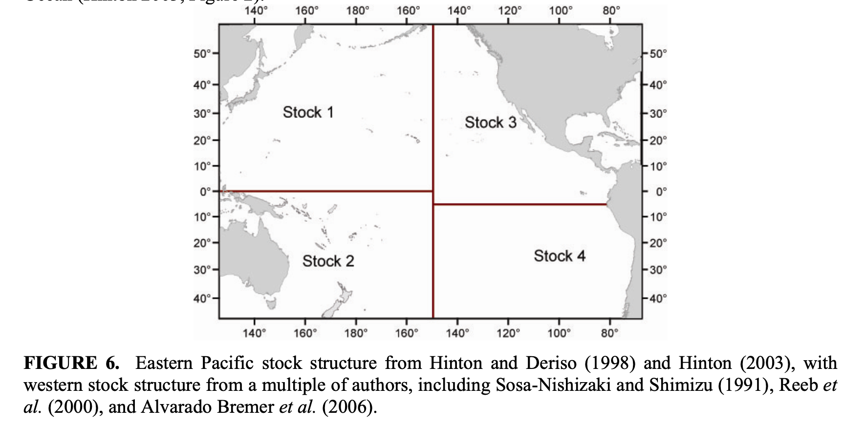
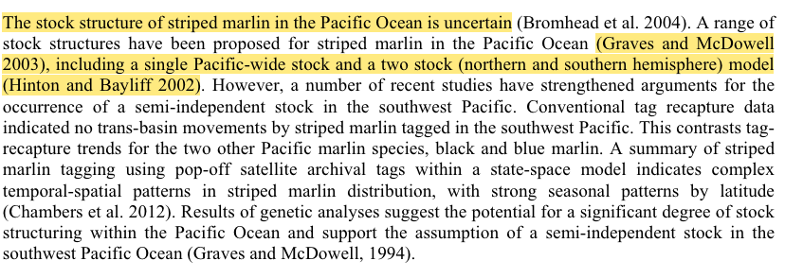

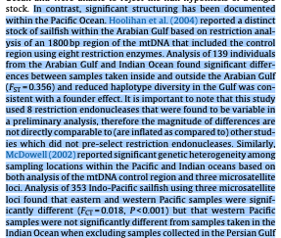

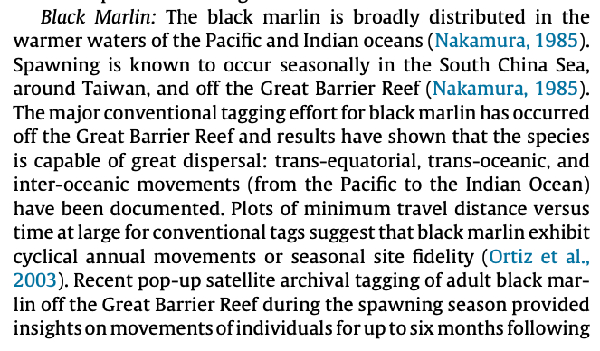
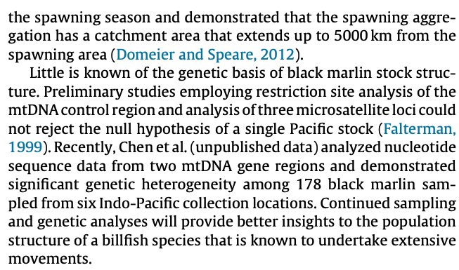

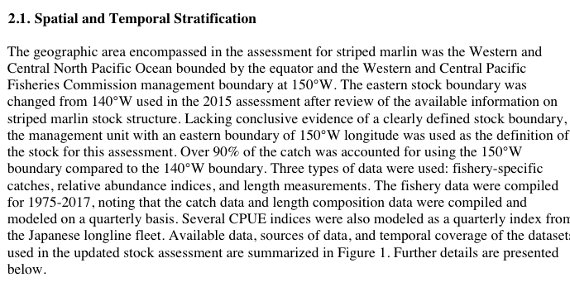

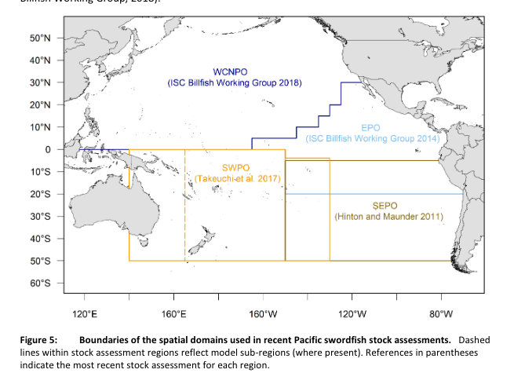
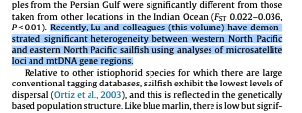

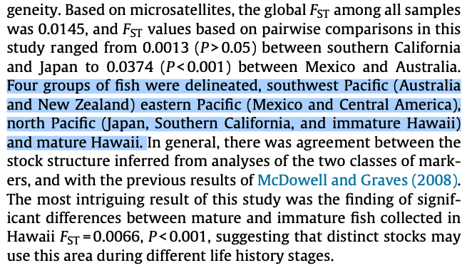

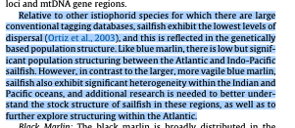

 |  |  |  | Southwest Pacific Based on the 2019 stock assessment, the mean of latest catch (across models in the structural uncertainty grid) was 1,124 t. The median SBLatest/SBMSY = 0.898, and the median FLatest/FMSY = 0.911, which indicates that the stock is overfished and close to undergoing overfishing. Based on estimated annual average spawning biomass for the diagnostic case model (WCPFC 2019a), there has been an estimated 25% decrease in biomass between 2001 and 2016. Given an MSY of 2039 t (Ducharne-Barth et al. 2019), the southwest Pacific is estimated to represent about 15% of this species' global population. Western and Central North Pacific In the western and central North Pacific, catch in 2017 was 2,487 t, the 2017 B/BMSY was 0.38, and the 2017 F/FMSY was 1.33, which indicates that the stock is overfished and overfishing is occurring WCPFC (2019b). Fishing mortality has been above FMSY every year since 1975 except for 1984, 1992 and 2016. However, based on estimates of spawning stock biomass (WCPFC 2019b), there has little change in this species population in this region between 2002 and 2017. Given an MSY of 4946 t (ISC 2019), the western and central North Pacific is estimated to represent about 35% of this species' global population. Eastern North Pacific There is limited information on the state of the eastern North Pacific stock. The most recent catch estimate is 1,687 t (IATTC 2018). During 2013–2017, average annual catches (1,889 t) were at about half the MSY level. If fishing effort and catches continue at the 2010 level (2,161 t), the biomass of the stock is expected to continue to increase over the near term. The last stock assessment was conducted by Hinton et al. (2010), which indicated that the stock was not overfished and no overfishing was occurring. Based on estimates of B/BMSY, there was an estimated 3% increase in the eastern North Pacific stock between 1994 and 2009. Given that MSY was 2,031 t (Hinton et al. 2010), the eastern North Pacific is

